Enterprise budget
2016 GOAT SEEDSTOCK BUDGET |  |  |  |  |  | by Susan Schoenian
Annual kidding |  | seedstock | You can only edit values highlighted in yellow cells.
HERD COMPOSITION: |  |  | PRODUCTION PARAMETERS |  |  |  |  | This is an enterprise budget for meat goat producers who want
 | Number of Does (nannies) | 40 |  | Percent kid crop raised |  |  | 180% | to make breeding stock sales a significant portion of their income.
 | Number of Bucks (billies) | 2 |  | Doe replacement rate |  |  | 20% | But even when this is the goal, the majority of buck kids and
 | Adult death loss | 5.0% |  | Buck replacement rate |  |  | 50% | some doe kids will to be sold for meat (at lower prices).
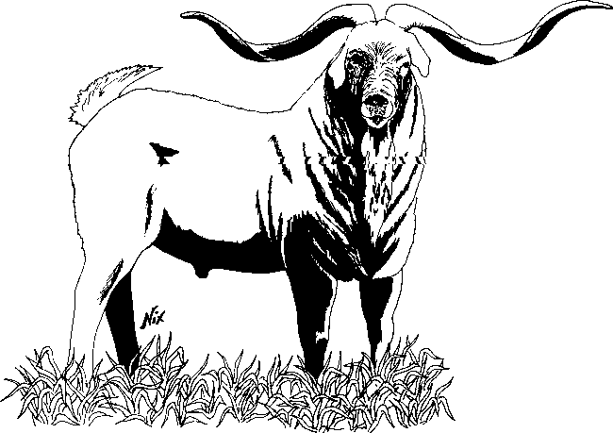
INCOME CALCULATION: |  | No. Head | lbs. | Price/unit | Unit | Total | Per Doe
 | Buck kids sold for breeding | 5.0 |  | $400.00 | head | $2,000 | $50.00
 | Wether kids | 5.0 |  | $150.00 | head | $750 | $18.75
 | Doe kids sold for breeding | 15.0 |  | $200.00 | head | $3,000 | $75.00
 | Male market kids | 26.0 | 70 | $2.00 | pound | $3,640 | $91.00
 | Doe market kids | 13.0 | 60 | $2.00 | pound | $1,560 | $39.00
 | Cull does | 6.0 | 110 | $1.00 | pound | $660 | $16.50
 | Cull bucks | 0.30 | 160 | $1.20 | pound | $58 | $1.44
 | Additional income |  |  |  |  | $0 | $0.00
 | Additional income |  |  |  |  | $0 | $0.00
TOTAL INCOME |  |  |  |  |  | $11,668 | $291.69 | For the password to unlock the protected cells in the spreadsheet,
 |  |  |  |  |  |  |  | contact Susan Schoenian at sschoen@umd.edu.
OPERATING COSTS: |  | No. Head | Amt/hd | Unit | Cost | Total | Per Doe
 | Feed costs
 | Hay | 42 | 0.24 | ton | $150.00 | $1,512 | $37.80
 | Grain | 40 | 90 | pound | $0.160 | $576 | $14.40
 | Salt and Minerals | 42 | 12.0 | pound | $0.50 | $252 | $6.30
 | Supplemental feed for kids | 72 | 120 | pound | $0.160 | $1,382 | $34.56
 | Pasture cost | 114 | 10.0 | acre | $50.00 | $500 | $12.50
 | Health program |  | doses
 | Deworming (adults) | 42 | 2 | doses | $0.75 | $63 | $1.58
 | Deworming (kids) | 72 | 2 | doses | $0.75 | $108 | $2.70
 | Other parasite control | 72 | 1 | doses | $2.00 | $144 | $3.60
 | CD-T booster (adults) | 42 | 1 | doses | $0.50 | $21 | $0.53
 | CD-T vaccinations (kids) | 72 | 2 | doses | $0.50 | $72 | $1.80
 | Other vet costs | 40 |  | head | $5.00 | $200 | $5.00
 | Registration fees | 25 |  | head | $7.00 | $175 | $4.38
 | Buck replacement | 1.0 |  | head | $600.00 | $600 | $15.00
 | Bedding | 40 |  | head | $5.00 | $200 | $5.00
 | Marketing and Hauling | 41 |  | head | $5.00 | $207 | $5.16
 | Supplies | 40 |  | head | $5.00 | $200 | $5.00
 | Livestock guardians |  |  | Total cost | $500.00 | $500 | $12.50
 | Additional Cost |  |  | Total cost | $0.00 | $0 | $0.00
 | Additional Cost |  |  | Total cost | $0.00 | $0 | $0.00
 | Additional Cost |  |  | Total cost | $0.00 | $0 | $0.00
 | Interest on operating money | 6.0% |  | Cost for 6 months |  | $201 | $5.03
 | TOTAL OPERATING COSTS |  |  |  |  | $6,913 | $172.83

RETURN TO LAND, LABOR AND CAPITAL |  |  |  |  |  | $4,754 | $118.86

Capital costs
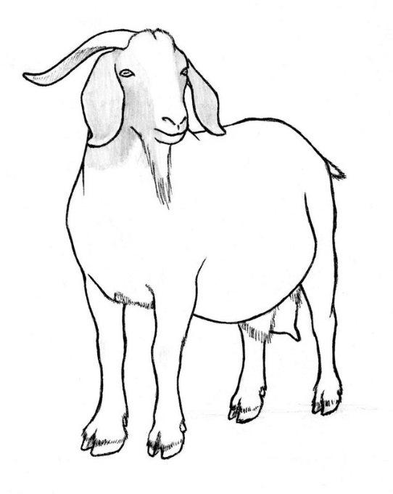
Capital investment |  | You can only edit cells highlighted in yellow.
 | Number | Cost | Unit | Total | Per Doe
Does | 40 | $250 | head | $10,000 | $250.00
Bucks | 2 | $500 | head | $1,000 | $25.00
Fencing |  | $5,000 | total | $5,000 | $125.00
Handling system |  | $2,000 | total | $2,000 | $50.00
Pasture est./improvement | 10.0 | $100 | acre | $1,000 | $25.00
Watering system |  | $1,500 | total | $1,500 | $37.50
Housing cost |  | $5,000 | total | $5,000 | $125.00
Supplies and equipment |  | $250 | total | $250 | $6.25
Other |  | $0 | total | $0 | $0.00
Other |  | $0 | total | $0 | $0.00
TOTAL START-UP COSTS |  |  |  | $25,750 | $643.75

# YEARS TO PAY OFF INVESTMENT |  |  |  | 6.4

