MARKETING ALTERNATIVES
Comparing marketing alternatives for sheep and goats

Marketing options for sheep and goats
Number of Lambs/Kids |  | 20 | It is important to use your own figures in order to accurately compare marketing alternatives for your farm. On this page, only fill in the white cells. The others are calculated values.
Live weight of lambs/kids (on-farm) |  | 100

Gross prices | Price |  | Net $/lb. | $ per animal | Total $ | % difference
Option 1: on-farm sale |  | $3.00 | $2.99 | $298.88 | $5,977.60 | 147%
Option 2: local auction |  | $2.25 | $2.03 | $203.17 | $4,063.42 | 100%
Option 3: regional auction |  | $2.40 | $2.04 | $203.84 | $4,076.70 | 100%
Option 4: Sell to middleman |  | $2.25 | $2.24 | $224.30 | $4,486.00 | 110%
Option 5: freezer sale |  | $3.00 | $2.98 | $297.91 | $5,958.10 | 147%
Option 6: sell carcass |  | $5.00 | $2.28 | $228.24 | $5,158.10 | 127%
Option 7: sell to abattoir |  | $4.50 | $2.33 | $233.39 | $4,638.60 | 114%
Option 8: sell meat (cuts) |  | $12.00 | $2.43 | $243.13 | $4,862.60 | 120%

No marketing option is best. Sometimes, each one of these marketing alternatives can be the most profitable. Which is most consistently profitable depends on the farm/ranch and current market conditions.

The American Lamb Checkoff is obligatory regardless of how sheep and lambs are sold. There is no similar national checkoff for goats. Some states have their own checkoffs.

Created 02.10.24 by Susan Schoenian. Sheep & Goat Specialist Emeritus, University of Maryland Extension. For more information, contact Susan at sschoen@umd.edu.

On-farm sale
OPTION 1: ON-FARM SALE |  |  |  |  | On-farm sales of sheep and goats (cash-and-carry) are common. They may include on-farm slaughter, especially by ethnic customers. There are many advantages to on-farm sales. You are able to set (or negotiate) price and there are no selling fees involved or weight loss due to shrinkage. There are no transportation costs or time spent driving. Your customers come to you!
Shrink |  | Per head | Total
On-farm weight |  | 100.0 | 2000.00
Percent shrink | 0.0% | 0.0 | 0
Selling weight |  | 100.0 | 2000.00
GROSS INCOME | $3.00 | $300.00 | $6,000.00
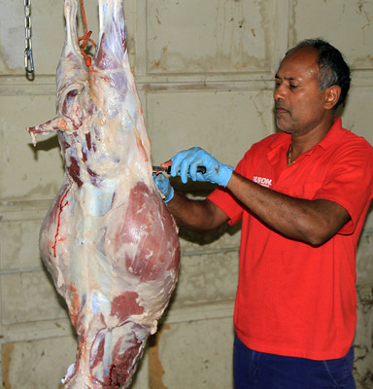
Selling fees |  | Per head | Total
Sales commission | $- | $- | $-
Yardage | $- | $0.00 | $-
Insurance | $- | $- | $-
Check-off (live) | $0.007 | $0.70 | $14.00
Check-off (carcass) | $0.42 | $0.42 | $8.40
State check-off | $- | $- | $-
Total selling fees |  | $1.12 | $22.40

Transportation, other costs |  | Per head | Total
Per head or | $- | $- | $-
Round trip mileage | 0.00 | $- | $-
Mileage rate, $/mi | $0.650
Other Expenses | $- | $- | $- |  | Federal regulations do not prohibit the on-farm slaughter of livestock by the customer; however, state laws may differ. Also, not all producers are comfortable with having slaughter done on their farm/ranch (or they may lack a suitable place).
Total other expenses |  | $- | $-
TOTAL EXPENSES |  | $1.12 | $22.40

INCOME PER ANIMAL |  | $298.88 | $5,977.60
NET PRICE PER POUND |  | $2.99 |  | 2.4888 | Download calendar with dates of holidays

Local auction
OPTION 2: SELL AT LOCAL AUCTION |  |  |  |  | More than 50% of producers sell their sheep and goats through local (often weekly) livestock auctions. It is a convenient way to market livestock, but selling fees are involved, and prices are not known ahead of time. Prices can also fluctuate considerably from week to week and place to place
Shrink |  | Per head | Total
On-farm weight |  | 100.0 | 2000
Percent shrink | 3.0% | 3.0 | 60
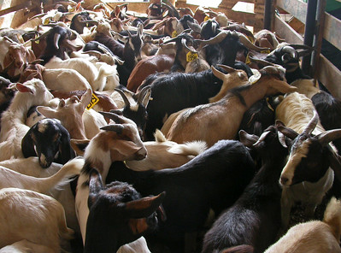
Selling weight |  | 97.0 | 1940
GROSS INCOME | $2.25 | $218.25 | $4,365.00
 |  |  | $-
Selling fees |  | Per head | Total
Sales commission | $4.00 | $4.00 | $80.00
Yardage | $9.00 | $9.00 | $180.00
Insurance | $0.75 | $0.75 | $15.00
Check-off (live) | $0.007 | $0.68 | $13.58
Check-off (carcass) | $0.42 | $- | $-
State check-off | $- | $- | $-
Total selling fees |  | $14.43 | $288.58
 |  |  |  |  | There are many strategies for optimizing sales to local auctions. Generally, animals should be put in the market at least one week before a major holiday. Peak demand usually occurs before Easter (Roman and Orthodox) and Eid (Muslim Festival of Sacrifice).
Transportation, other costs |  | Per head | Total
Per head or | $- | $- | $-
Round trip mileage | 20.00 | $0.65 | $13.00
Mileage rate, $/mi | $0.650
Other Expenses | $- | $- | $- |  | Download calendar with dates of holidays
Total other expenses |  | $0.65 | $13.00 |  | Go to "Tips for selling at auctions"
TOTAL EXPENSES |  | $15.08 | $301.58

INCOME PER ANIMAL |  | $203.17 | $4,063.42
NET PRICE PER POUND |  | $2.03 |  | 1.77201

Regional auction
OPTION 3: SELL AT REGIONAL AUCTION |  |  |  |  | Regional auctions (often terminal markets) may bring higher prices because more animals are available to buyers. The higher prices have to be weighed against shrink and transportation.
Shrink |  | Per head | Total
On-farm weight |  | 100.0 | 2000
Percent shrink | 5.0% | 5.0 | 100
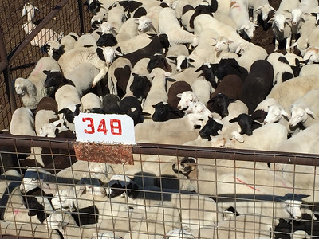
Selling weight |  | 95.0 | 1900
GROSS INCOME | $2.40 | $228.00 | $4,560.00
 |  |  | $-
Selling fees |  | Per head | Total
Sales commission | $4.00 | $4.00 | $80.00
Yardage | $9.00 | $9.00 | $180.00
Insurance | $0.75 | $0.75 | $15.00
Check-off (live) | $0.007 | $0.67 | $13.30
Check-off (carcass) | $0.42 | $- | $-
State check-off | $- | $- | $-
Total selling fees |  | $14.42 | $288.30
 |  |  |  |  | When marketing livestock through public livestock auctions, it is important to understand the USDA (or local grading) system and to know how to read a market report. Comparing prices is not always easy.
Transportation, other costs |  | Per head | Total
Per head or | $- | $- | $-
Round trip mileage | 300.00 | $9.75 | $195.00
Mileage rate, $/mi | $0.650 |  |  |  | Market report for Producers in San Angelo, Texas
Tolls | $- | $- | $0.00 |  | Market report for New Holland Sales Stables in PA
Misc. expenses | $- | $- | $-
Total other expenses |  | $9.75 | $195.00
TOTAL EXPENSES |  | $24.17 | $483.30

INCOME PER ANIMAL |  | $203.84 | $4,076.70
NET PRICE PER POUND |  | $2.04 |  | 1.98915

Middlemen
OPTION 4: SELLING TO "MIDDLEMEN" |  |  |  |  | "Middlemen" play an important role in connecting farmers with markets. In the sheep and goat industry, they go by many names include dealers, brokers, order buyers, and traders. They may also include processors, feeders, direct marketers, and live markets.
Shrink |  | Per head | Total
On-farm weight |  | 100.0 | 2000
Percent shrink | 0.0% | 0.0 | 0
Selling weight |  | 100.0 | 2000
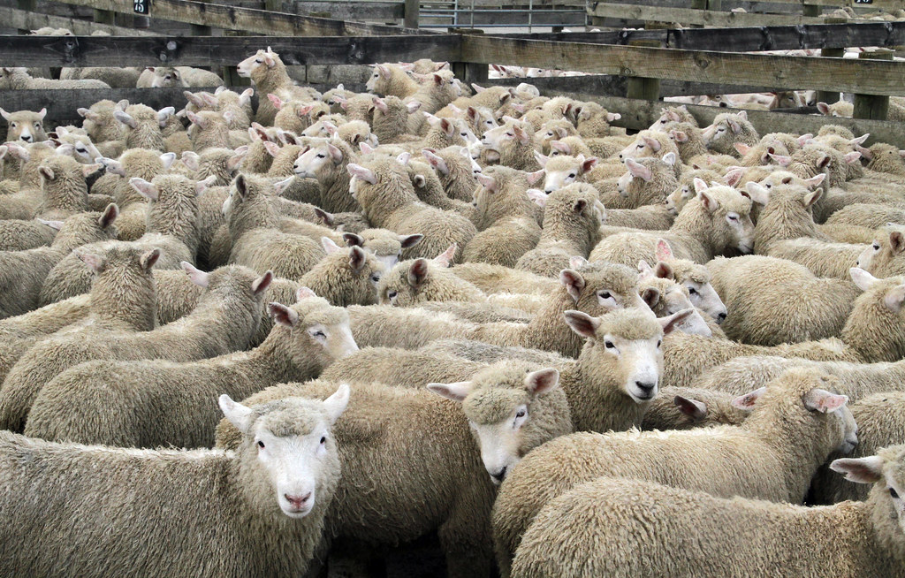
GROSS INCOME | $2.25 | $225.00 | $4,500.00
 |  |  | $-
Selling fees |  | Per head | Total
Sales commission | $- | $- | $-
Yardage | $- | $0.00 | $-
Insurance | $- | $- | $-
Check-off (live) | $0.007 | $0.70 | $14.00
Check-off (carcass) | $0.42 | $- | $-
State check-off | $- | $- | $-
Total selling fees |  | $0.70 | $14.00

Transportation, other costs |  | Per head | Total
Per head or | $- | $- | $- |  | Selling sheep and goats to some type of middleman can be a viable marketing option. One of the advantages (compared to an auction) is no selling fees. On the other hand, animal weight and shrink may have to be negotiated between buyer and seller. When selling to middlemen, it is very important to know what your animals weigh and how much they are worth. Also, make sure the middleman is licensed and bonded. In some cases, you may have to haul your animals to the buyer's location, resulting in added transportation costs and shrinkage.
Round trip mileage |  | $- | $-
Mileage rate, $/mi | $0.650
Misc. expenses | $- | $- | $-
Total other expenses |  | $- | $-
TOTAL EXPENSES |  | $0.70 | $14.00

INCOME PER ANIMAL |  | $224.30 | $4,486.00
NET PRICE PER POUND |  | $2.24 |  | 1.893

Freezer
OPTION 5: FREEZER SALE |  |  |  |  | The easiest form of direct-to-consumer marketing is the freezer (or locker) trade. In this case, a live animal is sold and the customer provides cutting instructions and pays for processing. Half or whole carcasses can be sold this way. Processing can be done at a federal, state, or custom-exempt facility. Make sure you find a good processor and sell a quality product.
Shrink |  | Per head | Total
On-farm weight |  | 100.0 | 2000
Percent shrink | 0.0% | 0.0 | 0
Selling weight |  | 100.0 | 2000
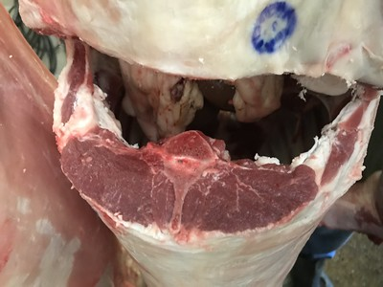
GROSS INCOME | $3.00 | $300.00 | $6,000.00
 |  |  | $-
Selling fees |  | Per head | Total
Check-off (live) | $0.007 | $0.70 | $14.00
Check-off (carcass) | $0.42 | $0.42 | $8.40
State check-off | $- | $- | $-
Total selling fees |  | $1.12 | $22.40

Transportation, other costs |  | Per head | Total
Mileage to processor | 30 | $0.98 | $19.50
Mileage rate, $/mi | $0.650
Buyer pays processing | $- | $-
Other Expenses | $- | $- | $-
Total other expenses |  | $0.98 | $19.50 |  | Know what your animals weigh and use market prices and production costs to establish your selling price. Ensure yourself a good profit. Customer service is important when selling freezer lambs/goats. Repeat customers fuel profit.
TOTAL EXPENSES |  | $2.10 | $41.90

INCOME PER ANIMAL |  | $297.91 | $5,958.10
NET PRICE PER POUND |  | $2.98 |  | 2.4693 | Monthly Grassfed Lamb & Goat Report

Carcass
OPTION 6: SELL CARCASS |  |  |  |  | Sheep and goat carcasses can sometimes be sold to restaurants and grocery stores. In this case, the producer pays for processing.
Shrink |  | Per head | Total
On-farm weight |  | 100.0 | 2000
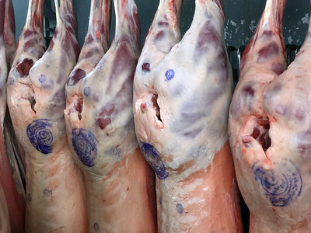
Dressing percent | 52.0%
Selling weight |  | 52.0 | 2000
GROSS INCOME | $5.00 | $260.00 | $5,200.00
 |  |  | $-
Selling fees |  | Per head | Total
Sales commission | $- | $- | $-
Yardage | $- | $0.00 | $-
Insurance | $- | $- | $-
Check-off (live) | $0.007 | $0.36 | $14.00
Check-off (carcass) | $0.42 | $0.42 | $8.40
State check-off | $- | $- | $-
Total selling fees |  | $0.78 | $22.40
 |  |  |  |  | When carcasses are sold (instead of live animals), one of the primary determinents of profitability is dressing percentage (or yield). Many factors influence the dressing percentage of sheep and goats. Thin grass-fed animals will yield the lowest. At the same time, there is a growing demand for grass-fed meat.
Transportation, other costs |  | Per head | Total
Mileage to processor | 30 | $0.98 | $19.50
Mileage rate, $/mi | $0.650
Processing | $30.00 | $30.00
Other Expenses | $- | $- | $-
Total other expenses |  | $30.98 | $19.50
TOTAL EXPENSES |  | $31.76 | $41.90

INCOME PER ANIMAL |  | $228.24 | $5,158.10
NET PRICE PER POUND |  | $2.28 |  | 2.07266

Abattoir
OPTION 7: SELL TO AN ABATTOIR |  |  |  |  | Abattoir is the French word for slaughterhouse (or meat processing plant). Some producers may have the opportunity to sell their animals directly to an abattoir. In many cases, they will be paid for the carcass rather than live animal.
Shrink |  | Per head | Total
On-farm weight |  | 100.0 | 2000
Dresssing percent | 52.0%
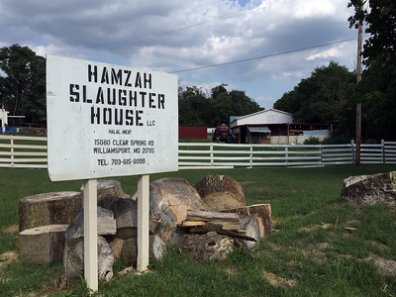
Selling weight |  | 52.0 | 5200
Premiums or discounts (+/-) |  | $3.00 | $60.00
GROSS INCOME | $4.50 | $237.00 | $4,740.00
 |  |  | $-
Selling fees |  | Per head | Total
Check-off (live) | $0.007 | $0.36 | $36.40
Check-off (carcass) | $0.42 | $- | $-
State check-off | $- | $- | $-
Total selling fees |  | $0.36 | $36.40

Transportation, other costs |  | Per head | Total
Per head or | $- | $- | $- |  | When you sell to an abattoir, there is often opportunity to negotiate a contract or year-round price (that is adjusted ocassionally). Processors want to ensure their supply, much like producers want to "lock-in" a price and protect against fluctuations in the market.
Round trip mileage | 100 | $3.25 | $65.00
Mileage rate, $/mi | $0.650
Tolls | $- | $- | $0.00
Processing | $- | $-
Other Expenses | $- | $- | $-
Total other expenses |  | $3.25 | $65.00
TOTAL EXPENSES |  | $3.61 | $101.40

INCOME PER ANIMAL |  | $233.39 | $4,638.60
NET PRICE PER POUND LIVE |  | $2.33 |  | 2.30386

Meat (cuts)
OPTION 8: SELL MEAT (CUTS) |  |  |  |  | Direct marketing meat (individual cuts) to consumers offers the most income potential, but all costs must be considered to determine if this method yields the most profit.
Shrink |  | Per head | Total
On-farm weight |  | 100.0 | 2000
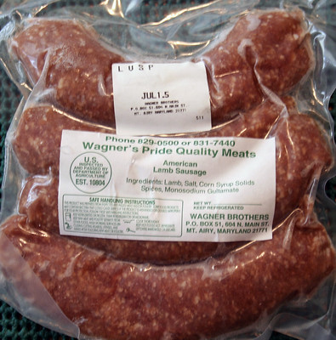
Retail meat yield | 35.0%
Selling weight |  | 35.0 | 3500
GROSS INCOME | $12.00 | $420.00 | $8,400.00
 |  |  | $-
Selling fees |  | Per head | Total
Check-off (live) | $0.007 | $0.70 | $14.00
Check-off (carcass) | $0.42 | $0.42 | $8.40
State check-off | $- | $- | $-
Total selling fees |  | $1.12 | $22.40

Expenses |  | Per head | Total
Transportation (miles) | 100 | $3.25 | $65.00
Mileage rate, $/mi | $0.650
Processing | $145.00 | $145.00 | $2,900.00
Promotion, advertising | $100.00 | $5.00 | $100.00 |  | To sell meat, the animal must be processed in a USDA (federally) inspected plant. It must be properly labeled. State inspected meat can usually not be sold across state lines. The meat from animals processed in a custom-exempt plant is marked "not for resale" and cannot be sold. There are many ways to sell sheep and goat meat directly to consumers including farmer's markets, farm stores, CSAs, and via the internet.
Licenses, fees | $100.00 | $5.00 | $100.00
Storage | $100.00 | $5.00 | $100.00
Insurance | $100.00 | $5.00 | $100.00
Labor hours | 10.00 | $7.50 | $150.00
Labor rate, $/hr | $15.00
Other expenses | $- | $- | $-
Total other expenses |  | $175.75 | $3,515.00
TOTAL EXPENSES |  | $176.87 | $3,537.40 |  | This method of marketing also provides the opportunity to market more or everything from the animal including the pelt (skin), organ meat, bones, and horns.

INCOME PER ANIMAL |  | $243.13 | $4,862.60
NET PRICE PER POUND LIVE |  | $2.43 |  | 2.67805

 |  |  | 3.4813

