Home
2016 Sheep
Seedstock Budget

The purpose of this enterprise budget is to evaluate the profit potential of a sheep enterprise
in which breeding stock and/or show wethers are a significant source of income. Other
lambs are sold for meat. Ewes lamb annually and are bred to lamb as yearlings.
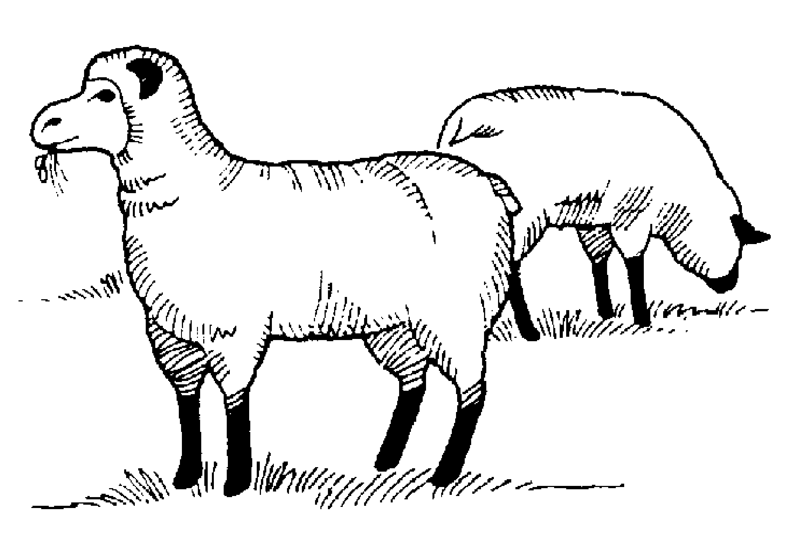
 | [1] | Assumptions
 | [2] | Income
 | [3] | Feed costs
 | [4] | Veterinary costs
 | [5] | Other Expenses
 | [6] | Capital investment
 | [7] | Summary

This budget was developed by Susan Schoenian, Sheep & Goat Specialist at the University of
Maryland's Western Maryland Research & Education Center in Keedysville, Maryland.

The budget is password-protected to protect the formulas and structure of the
spreadsheet. To make changes, contact Susan at sschoen@umd.edu for the password.

