Home
 |  |  | Last updated 01.03.17 by S Schoenian
2017 Sheep
Enterprise Budget |  |  | 

The purpose of this enterprise budget is to evaluate the profit potential of a commercial sheep enterprise in
which the sale of live lambs is the primary source of income. The budget is suitable for either hair or wooled sheep.
It is assumed that ewes lamb annually and that replacements are kept from the flock and bred to lamb as yearlings.

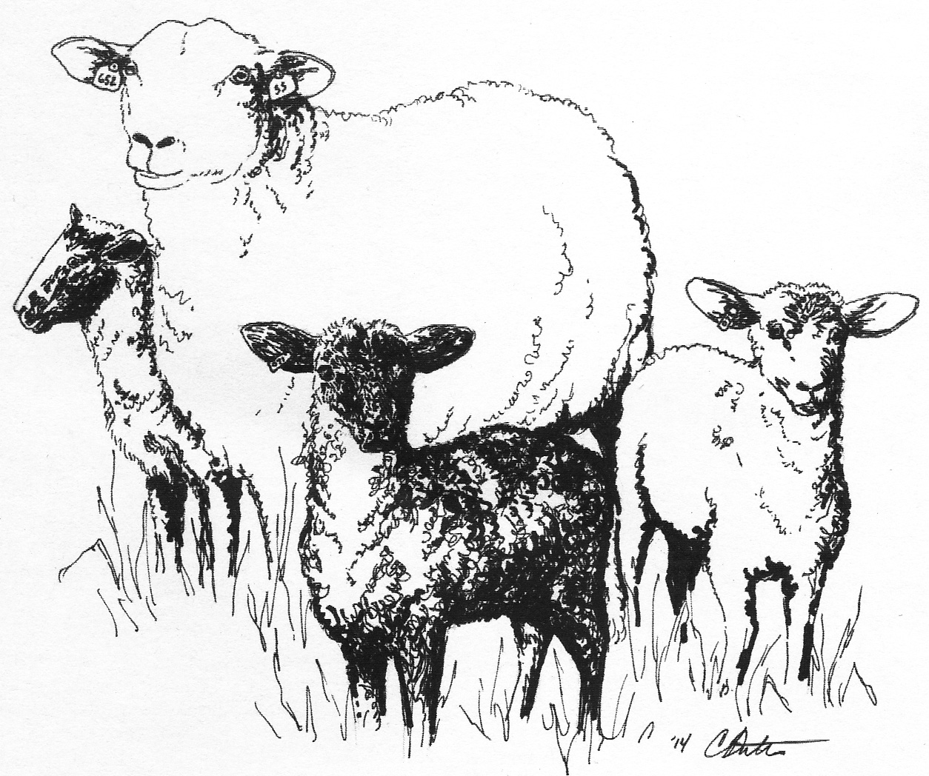
 | [1] | Assumptions
 | [2] | Income
 | [3] | Feed costs
 | [4] | Veterinary costs
 | [5] | Other Expenses
 | [6] | Capital investment
 | [7] | Summary

This enterprise budget was developed by Susan Schoenian, Sheep & Goat Specialist at the University
of Maryland's Western Maryland Research & Education Center in Keedysville, Maryland.

The budget is password-protected to protect the formulas and structure of the spreadsheet.
To request the password, contact Susan at sschoen@umd.edu or (301) 432-2767 x343.

